KNN_neighboors_comparision
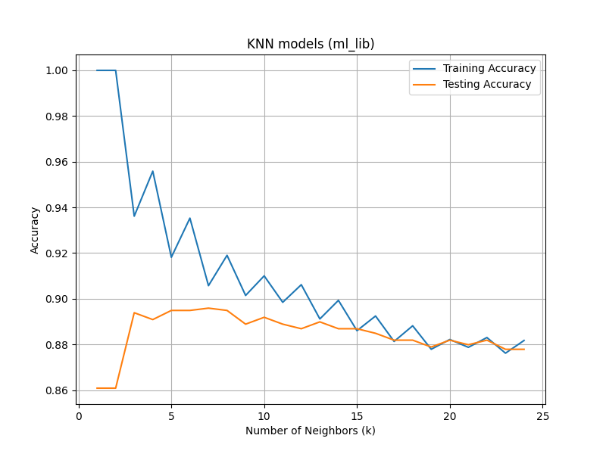
k | train_accuracy | test_accuracy
1 | 1 | 0.86086086086
2 | 1 | 0.86086086086
3 | 0.93616109683 | 0.89389389389
4 | 0.9558697515 | 0.89089089089
5 | 0.91816623822 | 0.89489489489
6 | 0.9353041988 | 0.89489489489
7 | 0.9057412168 | 0.8958958959
8 | 0.91902313625 | 0.89489489489
9 | 0.90145672665 | 0.88888888889
10 | 0.91002570694 | 0.89189189189
11 | 0.89845758355 | 0.88888888889
12 | 0.90616966581 | 0.88688688689
13 | 0.8911739503 | 0.88988988989
14 | 0.89931448158 | 0.88688688689
15 | 0.88603256213 | 0.88688688689
16 | 0.89245929734 | 0.88488488488
17 | 0.88131962296 | 0.88188188188
18 | 0.8881748072 | 0.88188188188
19 | 0.87789203085 | 0.87887887888
20 | 0.88217652099 | 0.88188188188
21 | 0.87874892888 | 0.87987987988
22 | 0.88303341902 | 0.88188188188
23 | 0.87617823479 | 0.87787787788
24 | 0.88174807198 | 0.87787787788

